MASTER
№ | Precise Accuracy | Directional Accuracy | Model Earnings | Window Size | Data Period | Classes | Epoch | Hidden Units | Mini Batch Size | Symbols | Test | Test2
1 | 34.57% | 34.57% |  | 5 | 20 | 3 | 200 | 1000 | 5000 | INTC | 1.5 | 1
2 | 18.00% | 38.63% |  | 5 | 20 | 5 | 200 | 1000 | 5000 | INTC | 2.5 | 1
3 | 11.68% | 41.73% |  | 5 | 20 | 7 | 200 | 1000 | 5000 | INTC | 3.5 | 1
4 | 10.44% | 43.73% |  | 5 | 20 | 9 | 200 | 1000 | 5000 | INTC | 4.5 | 1
5 | 8.87% | 46.94% |  | 5 | 20 | 11 | 200 | 1000 | 5000 | INTC | 5.5 | 1
6 | 7.94% | 46.88% |  | 5 | 20 | 13 | 200 | 1000 | 5000 | INTC | 6.5 | 1
7 | 5.56% | 47.67% |  | 5 | 20 | 15 | 200 | 1000 | 5000 | INTC | 7.5 | 1
8 | 4.56% | 44.46% |  | 5 | 20 | 17 | 200 | 1000 | 5000 | INTC | 8.5 | 1
9 | 5.15% | 47.10% |  | 5 | 20 | 19 | 200 | 1000 | 5000 | INTC | 9.5 | 1
10 | 5.01% | 46.98% |  | 5 | 20 | 21 | 200 | 1000 | 5000 | INTC | 10.5 | 1
11 | 3.79% | 48.42% |  | 5 | 20 | 31 | 200 | 1000 | 5000 | INTC | 15.5 | 1 | Takeaways:
12 | 9.38% | 47.79% |  | 1 | 20 | 11 | 500 | 1000 | 2500 | INTC | 0.44 | 1 | 1. Larger Window Sizes Perform Better
13 | 7.03% | 42.32% |  | 2 | 20 | 11 | 500 | 1000 | 2500 | INTC | 0.88 | 1 | 2. Datasets with Older/Larger Data Perform Better
14 | 9.64% | 44.66% |  | 3 | 20 | 11 | 500 | 1000 | 2500 | INTC | 1.32 | 1 | 3. Number of Classes Doesn’t Seem to Impact Accuracy
15 | 8.34% | 44.20% |  | 5 | 20 | 11 | 500 | 1000 | 2500 | INTC | 2.2 | 1 | 4. Longer Epochs Perform Significantly Better
16 | 8.87% | 44.20% |  | 7 | 20 | 11 | 500 | 1000 | 2500 | INTC | 3.08 | 1 | 5. More Hidden Units Perform Better
17 | 9.39% | 45.89% |  | 10 | 20 | 11 | 500 | 1000 | 2500 | INTC | 4.4 | 1 | 6. Smaller Mini Batch Sizes Perform Better
18 | 10.44% | 48.04% |  | 14 | 20 | 11 | 500 | 1000 | 2500 | INTC | 6.16 | 1 | 7. Several Symbols Perform Better than Singular
19 | 8.09% | 45.69% |  | 15 | 20 | 11 | 500 | 1000 | 2500 | INTC | 6.6 | 1
20 | 7.19% | 45.62% |  | 20 | 20 | 11 | 500 | 1000 | 2500 | INTC | 8.8 | 1
Field: Precise Accuracy and Field: Classes appear highly dependent on each other.
21 | 9.03% | 45.29% |  | 25 | 20 | 11 | 500 | 1000 | 2500 | INTC | 11 | 1
22 | 8.77% | 47.38% |  | 30 | 20 | 11 | 500 | 1000 | 2500 | INTC | 13.2 | 1
23 | 9.39% | 47.85% |  | 1 | 20 | 11 | 500 | 1000 | 2500 | INTC | 0.44 | 1
24 | 9.13% | 44.33% |  | 1 | 20 | 11 | 500 | 1000 | 2500 | INTC,^GSPC | 0.88 | 2
25 | 9.91% | 45.63% |  | 1 | 20 | 11 | 500 | 1000 | 2500 | INTC,^GSPC, AMD | 1.32 | 3
26 | 7.56% | 43.29% |  | 1 | 20 | 11 | 500 | 1000 | 2500 | INTC,^GSPC, AMD, ^DJI | 1.76 | 4
27 | 10.43% | 44.72% |  | 1 | 20 | 11 | 500 | 1000 | 2500 | INTC,^GSPC, AMD, ^DJI, NVDA | 2.2 | 5
28 | 9.52% | 45.11% |  | 1 | 20 | 11 | 500 | 1000 | 2500 | INTC,^GSPC, AMD, ^DJI, NVDA, ^IXIC | 2.64 | 6
29 | 10.17% | 38.59% |  | 1 | 20 | 11 | 500 | 1000 | 2500 | INTC,^GSPC, AMD, ^DJI, NVDA, ^IXIC, HPQ | 3.08 | 7
30 | 11.34% | 16.17% |  | 1 | 20 | 11 | 500 | 1000 | 2500 | INTC,^GSPC, AMD, ^DJI, NVDA, ^IXIC, HPQ, LNVGY | 3.52 | 8
31 | 9.13% | 42.37% |  | 1 | 20 | 11 | 500 | 1000 | 2500 | INTC,^GSPC, AMD, ^DJI, NVDA, ^IXIC, HPQ, LNVGY, MSFT | 3.96 | 9
32 | 11.19% | 44.20% |  | 1 | 20 | 11 | 500 | 1000 | 2500 | INTC,^GSPC, AMD, ^DJI, NVDA, ^IXIC, HPQ, LNVGY, MSFT, AAPL | 4.4 | 10
33 | 33.86% | 33.86% |  | 11 | 20 | 3 | 500 | 1000 | 2500 | INTC | 1.32 | 1
34 | 21.34% | 38.34% |  | 11 | 20 | 5 | 500 | 1000 | 2500 | INTC | 2.2 | 1
35 | 14.47% | 43.68% |  | 11 | 20 | 7 | 500 | 1000 | 2500 | INTC | 3.08 | 1
36 | 10.16% | 45.31% |  | 11 | 20 | 9 | 500 | 1000 | 2500 | INTC | 3.96 | 1
'№' and 'Directional Accuracy' appear to form a cluster with 3 outliers.
37 | 7.84% | 44.97% |  | 11 | 20 | 11 | 500 | 1000 | 2500 | INTC | 4.84 | 1
38 | 6.91% | 42.89% |  | 11 | 20 | 13 | 500 | 1000 | 2500 | INTC | 5.72 | 1
39 | 7.37% | 44.50% |  | 11 | 20 | 15 | 500 | 1000 | 2500 | INTC | 6.6 | 1
40 | 5.69% | 47.35% |  | 11 | 20 | 19 | 500 | 1000 | 2500 | INTC | 8.36 | 1
41 | 4.88% | 48.84% |  | 11 | 20 | 21 | 500 | 1000 | 2500 | INTC | 9.24 | 1
42 | 1.78% | 50.89% |  | 11 | 20 | 31 | 500 | 1000 | 2500 | INTC | 13.64 | 1
43 | 2.54% | 44.91% |  | 11 | 20 | 35 | 500 | 1000 | 2500 | INTC | 15.4 | 1
44 | 3.71% | 45.24% |  | 11 | 20 | 41 | 500 | 1000 | 2500 | INTC | 18.04 | 1
45 | 33.86% | 33.86% |  | 11 | 20 | 2 | 500 | 1000 | 2500 | INTC | 0.88 | 1
46 | 21.34% | 38.34% |  | 11 | 20 | 4 | 500 | 1000 | 2500 | INTC | 1.76 | 1
47 | 14.47% | 43.68% |  | 11 | 20 | 6 | 500 | 1000 | 2500 | INTC | 2.64 | 1
48 | 10.16% | 45.31% |  | 11 | 20 | 8 | 500 | 1000 | 2500 | INTC | 3.52 | 1
49 | 9.92% | 40.08% |  | 11 | 20 | 10 | 500 | 1000 | 2500 | INTC | 4.4 | 1
50 | 8.50% | 48.63% |  | 11 | 20 | 12 | 500 | 1000 | 2500 | INTC | 5.28 | 1
51 | 7.49% | 52.45% |  | 11 | 20 | 14 | 500 | 1000 | 2500 | INTC | 6.16 | 1
52 | 6.62% | 47.14% |  | 11 | 20 | 16 | 500 | 1000 | 2500 | INTC | 7.04 | 1
53 | 4.02% | 46.89% |  | 11 | 20 | 18 | 500 | 1000 | 2500 | INTC | 7.92 | 1
54 | 4.77% | 45.42% |  | 11 | 20 | 20 | 500 | 1000 | 2500 | INTC | 8.8 | 1
55 | 2.83% | 47.23% |  | 11 | 20 | 24 | 500 | 1000 | 2500 | INTC | 10.56 | 1
56 | 3.68% | 49.56% |  | 11 | 20 | 28 | 500 | 1000 | 2500 | INTC | 12.32 | 1
57 | 3.04% | 49.05% |  | 11 | 20 | 32 | 500 | 1000 | 2500 | INTC | 14.08 | 1
58 | 2.64% | 45.03% |  | 11 | 20 | 36 | 500 | 1000 | 2500 | INTC | 15.84 | 1
59 | 2.65% | 54.92% |  | 11 | 20 | 40 | 500 | 1000 | 2500 | INTC | 17.6 | 1
60 | 6.46% | 46.77% |  | 14 | 20 | 14 | 500 | 1 | 2500 | INTC | 7.84 | 1
61 | 7.24% | 53.10% |  | 14 | 20 | 14 | 500 | 2 | 2500 | INTC | 7.84 | 1
62 | 7.36% | 50.00% |  | 14 | 20 | 14 | 500 | 3 | 2500 | INTC | 7.84 | 1
63 | 6.07% | 41.47% |  | 14 | 20 | 14 | 500 | 5 | 2500 | INTC | 7.84 | 1
64 | 5.68% | 41.60% |  | 14 | 20 | 14 | 500 | 8 | 2500 | INTC | 7.84 | 1
65 | 4.78% | 49.22% |  | 14 | 20 | 14 | 500 | 13 | 2500 | INTC | 7.84 | 1
66 | 6.85% | 6.85% |  | 14 | 20 | 14 | 500 | 14 | 2500 | INTC | 7.84 | 1
67 | 6.07% | 51.03% |  | 14 | 20 | 14 | 500 | 15 | 2500 | INTC | 7.84 | 1
68 | 7.75% | 50.39% |  | 14 | 20 | 14 | 500 | 21 | 2500 | INTC | 7.84 | 1
69 | 7.11% | 45.99% |  | 14 | 20 | 14 | 500 | 34 | 2500 | INTC | 7.84 | 1
70 | 8.40% | 48.97% |  | 14 | 20 | 14 | 500 | 55 | 2500 | INTC | 7.84 | 1
71 | 7.75% | 41.99% |  | 14 | 20 | 14 | 500 | 89 | 2500 | INTC | 7.84 | 1
72 | 6.72% | 6.59% |  | 14 | 20 | 14 | 500 | 144 | 2500 | INTC | 7.84 | 1
73 | 5.94% | 50.65% |  | 14 | 20 | 14 | 500 | 233 | 2500 | INTC | 7.84 | 1
74 | 8.01% | 52.07% |  | 14 | 20 | 14 | 500 | 377 | 2500 | INTC | 7.84 | 1
75 | 6.33% | 49.61% |  | 14 | 20 | 14 | 500 | 610 | 2500 | INTC | 7.84 | 1
76 | 6.59% | 50.26% |  | 14 | 20 | 14 | 500 | 987 | 2500 | INTC | 7.84 | 1
77 | 21.80% | 43.60% | -$241.10 | 10 | 20 | 7 | 1 | 1500 | 1500 | GC=F | 1400 | 1
78 | 24.20% | 42.60% | -$241.10 | 10 | 20 | 7 | 2 | 1500 | 1500 | GC=F | 700 | 1
79 | 25.00% | 42.60% | -$637.30 | 10 | 20 | 7 | 3 | 1500 | 1500 | GC=F | 466.66666667 | 1
80 | 21.40% | 42.20% | -$241.10 | 10 | 20 | 7 | 5 | 1500 | 1500 | GC=F | 280 | 1
81 | 22.00% | 42.80% | -$241.10 | 10 | 20 | 7 | 8 | 1500 | 1500 | GC=F | 175 | 1
82 | 20.60% | 42.60% | -$904.30 | 10 | 20 | 7 | 13 | 1500 | 1500 | GC=F | 107.69230769 | 1
83 | 19.00% | 41.00% | -$637.30 | 10 | 20 | 7 | 21 | 1500 | 1500 | GC=F | 66.666666667 | 1
 | Directional Accuracy
5000
5000
5000
5000
5000
5000
5000
5000
5000
5000
5000
2500
2500
2500
2500
2500
2500
2500
2500
2500
2500
2500
2500
2500
2500
2500
2500
2500
2500
2500
2500
2500
2500
2500
2500
2500
2500
2500
2500
2500
2500
2500
2500
2500
2500
2500
2500
2500
2500
2500
...
84 | 25.00% | 40.80% | -$241.10 | 10 | 20 | 7 | 34 | 1500 | 1500 | GC=F | 41.176470588 | 1
85 | 21.20% | 40.40% | -$637.30 | 10 | 20 | 7 | 55 | 1500 | 1500 | GC=F | 25.454545455 | 1
86 | 25.40% | 47.20% | -$223.60 | 10 | 20 | 7 | 89 | 1500 | 1500 | GC=F | 15.730337079 | 1
87 | 22.40% | 46.80% | $26.30 | 10 | 20 | 7 | 144 | 1500 | 1500 | GC=F | 9.7222222222 | 1
88 | 25.90% | 46.61% | $21.10 | 10 | 20 | 7 | 233 | 1500 | 1500 | GC=F | 6.008583691 | 1
89 | 21.51% | 41.24% | $620.20 | 10 | 20 | 7 | 377 | 1500 | 1500 | GC=F | 3.7135278515 | 1
90 | 25.30% | 42.23% | -$54.30 | 10 | 20 | 7 | 610 | 1500 | 1500 | GC=F | 2.2950819672 | 1
91 | 21.51% | 44.62% | -$325.70 | 10 | 20 | 7 | 987 | 1500 | 1500 | GC=F | 1.4184397163 | 1
92 | 21.51% | 42.03% | -$126.90 | 10 | 20 | 7 | 1597 | 1500 | 1500 | GC=F | 0.87664370695 | 1
93 | 24.10% | 43.03% | $408.10 | 10 | 20 | 7 | 2584 | 1500 | 1500 | GC=F | 0.54179566563 | 1
94 | 20.72% | 42.43% | $620.00 | 10 | 20 | 7 | 4181 | 1500 | 1500 | GC=F | 0.33484812246 | 1
95 | 19.51% | 43.43% | -$214.90 | 10 | 20 | 7 | 6765 | 1500 | 1500 | GC=F | 0.20694752402 | 1
96 | 19.72% | 40.04% | -$212.90 | 10 | 20 | 7 | 10946 | 1500 | 1500 | GC=F | 0.12790060296 | 1
97 | 20.52% | 38.65% | -$1,118.70 | 10 | 20 | 7 | 1 | 1500 | 451 | GC=F | 1400 | 1
98 | 17.73% | 42.23% | -$625.00 | 10 | 20 | 7 | 1 | 1500 | 902 | GC=F | 1400 | 1
99 | 22.51% | 40.84% | -$625.00 | 10 | 20 | 7 | 1 | 1500 | 2255 | GC=F | 1400 | 1
100 | 21.71% | 46.61% | -$625.00 | 10 | 20 | 7 | 2 | 1500 | 451 | GC=F | 700 | 1
101 | 24.10% | 42.83% | -$212.90 | 10 | 20 | 7 | 2 | 1500 | 902 | GC=F | 700 | 1
102 | 20.72% | 44.22% | -$212.90 | 10 | 20 | 7 | 2 | 1500 | 2255 | GC=F | 700 | 1
103 | 21.12% | 36.06% | -$625.00 | 10 | 20 | 7 | 5 | 1500 | 451 | GC=F | 280 | 1
104 | 22.31% | 40.64% | -$625.00 | 10 | 20 | 7 | 5 | 1500 | 902 | GC=F | 280 | 1
105 | 25.90% | 45.02% | -$625.00 | 10 | 20 | 7 | 5 | 1500 | 2255 | GC=F | 280 | 1
106 | 20.52% | 41.83% | -$625.00 | 10 | 20 | 7 | 10 | 1500 | 451 | GC=F | 140 | 1
107 | 23.51% | 40.84% | -$625.00 | 10 | 20 | 7 | 10 | 1500 | 902 | GC=F | 140 | 1
108 | 23.11% | 47.21% | -$780.00 | 10 | 20 | 7 | 10 | 1500 | 2255 | GC=F | 140 | 1
109 | 4.41% | 56.55% | -$112.55 | 30 | 30 | 40 | 25000 | 1500 | 1683 | COKE,^GSPC | 2.88 | 2
110 | 58.17% | 58.17% | $125.33 | 30 | 50 | 3 | 5000 | 1500 | 1500 | MCD,^GSPC | 1.8 | 2
111 | 6.85% | 53.39% | -$149.13 | 30 | 50 | 49 | 5000 | 1500 | 1500 | MCD,^GSPC | 29.4 | 2
112 | 49.16% | 49.08% | $233.67 | 5 | 50 | 3 | 5000 | 1500 | 1000 | IBM,^GSPC | 0.3 | 2
113 | 46.79% | 46.79% | $6.45 | 50 | 50 | 3 | 5000 | 1500 | 1000 | IBM,^GSPC | 3 | 2
114 | 48.45% | 48.45% | $283.25 | 3 | 50 | 3 | 5000 | 1500 | 1000 | IBM,^GSPC | 0.18 | 2
115 | 46.68% | 46.60% | $167.03 | 30 | 50 | 3 | 5000 | 1500 | 1000 | IBM,^GSPC | 1.8 | 2
116 | 50.84% | 50.84% | $277.88 | 10 | 50 | 3 | 5000 | 1500 | 1000 | IBM,^GSPC | 0.6 | 2
117 | 32.77% | 32.77% | -$124.84 | 10 | 5 | 3 | 5000 | 1500 | 1000 | PG,^GSPC | 0.06 | 2
118 | 38.78% | 38.78% | -$240.48 | 10 | 10 | 3 | 5000 | 1500 | 1000 | PG,^GSPC | 0.12 | 2
119 | 33.42% | 33.42% | -$233.04 | 10 | 15 | 3 | 5000 | 1500 | 1000 | PG,^GSPC | 0.18 | 2
120 | 37.27% | 37.27% | -$37.54 | 10 | 20 | 3 | 5000 | 1500 | 1000 | PG,^GSPC | 0.24 | 2
121 | 37.08% | 37.08% | -$271.51 | 10 | 25 | 3 | 5000 | 1500 | 1000 | PG,^GSPC | 0.3 | 2
122 | 43.35% | 43.35% | $344.57 | 10 | 30 | 3 | 5000 | 1500 | 1000 | PG,^GSPC | 0.36 | 2
123 | 52.45% | 52.45% | -$425.92 | 10 | 35 | 3 | 5000 | 1500 | 1000 | PG,^GSPC | 0.42 | 2
124 | 52.94% | 52.94% | $344.57 | 10 | 40 | 3 | 5000 | 1500 | 1000 | PG,^GSPC | 0.48 | 2
125 | 55.53% | 55.53% | -$475.45 | 10 | 45 | 3 | 5000 | 1500 | 1000 | PG,^GSPC | 0.54 | 2
126 | 54.94% | 54.86% | -$519.49 | 10 | 50 | 3 | 5000 | 1500 | 1000 | PG,^GSPC | 0.6 | 2
127 | 53.78% | 53.78% | -$496.02 | 10 | 55 | 3 | 5000 | 1500 | 1000 | PG,^GSPC | 0.66 | 2
128 | 55.14% | 55.14% | $404.21 | 14 | 35 | 3 | 5000 | 1500 | 1500 | AAPL, MSFT | 0.588 | 2
129 | 48.55% | 48.55% | $544.27 | 14 | 40 | 3 | 5000 | 1500 | 1500 | JPM,BAC | 0.672 | 2
130 | 52.43% | 52.43% | -$179.80 | 14 | 45 | 3 | 5000 | 1500 | 1500 | JNJ, PFE | 0.756 | 2
131 | 39.77% | 39.54% | $0.69 | 14 | 19 | 3 | 5000 | 1500 | 1500 | EURUSD=X,EURGBP=X | 0.3192 | 2
132 | 34.34% | 34.11% | -$0.05 | 14 | 19 | 3 | 5000 | 1500 | 1500 | EUR=X,CAD=X | 0.3192 | 2
133 | 30.65% | 30.41% | -$0.02 | 14 | 19 | 3 | 5000 | 1500 | 1500 | JPYCNY=X,JPYUSD=X, | 0.4788 | 3
134 | 38.66% | 38.66% | $62.36 | 14 | 10 | 3 | 5000 | 1500 | 1500 | BZ=F,CL=F | 0.168 | 2
135 | 36.33% | 36.33% | -$992.10 | 14 | 20 | 3 | 5000 | 1500 | 1500 | GC=F,SI=F | 0.336 | 2
136 | 42.04% | 41.84% | $88.65 | 14 | 20 | 3 | 5000 | 1500 | 1500 | KC=F,CC=F | 0.336 | 2
137 | 48.24% | 47.65% | -$196,269.13 | 14 | 5 | 3 | 5000 | 1500 | 1500 | BTC-USD, ETH-USD | 0.084 | 2
138 | 51.76% | 51.18% | $219,505.39 | 14 | 5 | 3 | 5000 | 1500 | 1500 | BTC-USD, BTC-EUR | 0.084 | 2
139 | 53.53% | 53.53% | -$402,412.21 | 14 | 5 | 3 | 5000 | 1500 | 1500 | BTC-USD, GC=F | 0.084 | 2

Mean |  | 44.26%
Standard Deviation |  | 7.31%

Bell Curve Stuff: |  | 22.34% | 0.060667397022
-3σ | 22.34% | 23.34% | 0.090622802519
-2σ | 29.65% | 24.34% | 0.13285609222
-1σ | 36.95% | 25.34% | 0.19115572878
 |  |  | SD Labels
22.34% | 0.060667397022 | 22.34% | 0.06
23.34% | 0.090622802519 | 29.65% | 0.7
24.34% | 0.13285609222 | 36.95% | 3.2
25.34% | 0.19115572878 | 51.56% | 3.2
26.34% | 0.26993240265 | 58.87% | 0.7
27.34% | 0.37409730635 | 66.18% | 0.06
28.34% | 0.50883385637
29.34% | 0.67924942271
30.34% | 0.88990657202
31.34% | 1.1442512845
32.34% | 1.4439769529
33.34% | 1.7883848122
34.34% | 2.1738198134
35.34% | 2.5932714041
36.34% | 3.036227139
37.34% | 3.4888508456
38.34% | 3.9345258828
39.34% | 4.3547604364
40.34% | 4.7304013412
41.34% | 5.0430534138
42.34% | 5.2765615128
43.34% | 5.4183905004
44.34% | 5.4607394503
45.34% | 5.4012523478
46.34% | 5.2432351947
47.34% | 4.9953516818
48.34% | 4.6708364078
49.34% | 4.2863250584
50.34% | 3.8604453433
51.34% | 3.412334298
52.34% | 2.9602445695
53.34% | 2.5203767999
54.34% | 2.1060331935
55.34% | 1.7271370831
56.34% | 1.3901135111
57.34% | 1.0980840375
58.34% | 0.85130023006
59.34% | 0.64772667324
60.34% | 0.48368505739
61.34% | 0.35448300492
62.34% | 0.25497055227
63.34% | 0.17998921764
64.34% | 0.12469952874
65.34% | 0.084790069974
66.18% | 0.060667397022
1σ | 51.56% | 26.34% | 0.26993240265
2σ | 58.87% | 27.34% | 0.37409730635
3σ | 66.18% | 28.34% | 0.50883385637
 |  | 29.34% | 0.67924942271
 |  | 30.34% | 0.88990657202
 |  | 31.34% | 1.1442512845
 |  | 32.34% | 1.4439769529
 |  | 33.34% | 1.7883848122
 |  | 34.34% | 2.1738198134
 |  | 35.34% | 2.5932714041
 |  | 36.34% | 3.036227139
 |  | 37.34% | 3.4888508456
 |  | 38.34% | 3.9345258828
 |  | 39.34% | 4.3547604364
 |  | 40.34% | 4.7304013412
 |  | 41.34% | 5.0430534138
 |  | 42.34% | 5.2765615128
 |  | 43.34% | 5.4183905004
 |  | 44.34% | 5.4607394503
 |  | 45.34% | 5.4012523478
 |  | 46.34% | 5.2432351947
 |  | 47.34% | 4.9953516818
 |  | 48.34% | 4.6708364078
 |  | 49.34% | 4.2863250584
 |  | 50.34% | 3.8604453433
 |  | 51.34% | 3.412334298
 |  | 52.34% | 2.9602445695
 |  | 53.34% | 2.5203767999
 |  | 54.34% | 2.1060331935
 |  | 55.34% | 1.7271370831
 |  | 56.34% | 1.3901135111
 |  | 57.34% | 1.0980840375
 |  | 58.34% | 0.85130023006
 |  | 59.34% | 0.64772667324
 |  | 60.34% | 0.48368505739
 |  | 61.34% | 0.35448300492
 |  | 62.34% | 0.25497055227
 |  | 63.34% | 0.17998921764
 |  | 64.34% | 0.12469952874
 |  | 65.34% | 0.084790069974
 |  | 66.18% | 0.060667397022

№ of Classes 1
№ Classes | Precise Accuracy | Directional Accuracy | Other Parameters
3 | 34.57% | 34.57% | Window Size: | 5
5 | 18.00% | 38.63% | Time Period: | 20 Years
7 | 11.68% | 41.73% | Symbols: | INTC
9 | 10.44% | 43.73%
11 | 8.87% | 46.94% | Hidden Layers: | 1000
13 | 7.94% | 46.88% | Max Epochs: | 200
15 | 5.56% | 47.67% | Mini Batch Size: | 5000
17 | 4.56% | 44.46%
19 | 5.15% | 47.10%
21 | 5.01% | 46.98%
31 | 3.79% | 48.42%

Model Accuracy

Window Size
Window Size | Precise Accuracy | Directional Accuracy | Other Parameters
1 | 9.38% | 47.79% | № Classes: | 11
2 | 7.03% | 42.32% | Time Period: | 20 Years
3 | 9.64% | 44.66% | Symbols: | INTC
5 | 8.34% | 44.20%
7 | 8.87% | 44.20% | Hidden Layers: | 1000
10 | 9.39% | 45.89% | Max Epochs: | 500
14 | 10.44% | 48.04% | Mini Batch Size: | 2500
15 | 8.09% | 45.69%
20 | 7.19% | 45.62%
25 | 9.03% | 45.29%
30 | 8.77% | 47.38%

Window Size Test 1

№ of Stocks
№ of Symbols | Precise Accuracy | Directional Accuracy | Additional Symbols | Other Parameters
1 | 9.39% | 47.85% | - | Window Size: | 1
2 | 9.13% | 44.33% | ^GSPC | Time Period: | 20 Years
3 | 9.91% | 45.63% | ^GSPC, AMD | Main Symbol: | INTC
4 | 7.56% | 43.29% | ^GSPC, AMD, ^DJI
5 | 10.43% | 44.72% | ^GSPC, AMD, ^DJI, NVDA | Hidden Layers: | 1000
6 | 9.52% | 45.11% | ^GSPC, AMD, ^DJI, NVDA, ^IXIC | Max Epochs: | 500
7 | 10.17% | 38.59% | ^GSPC, AMD, ^DJI, NVDA, ^IXIC, HPQ | Mini Batch Size: | 2500
8 | 11.34% | 16.17% | ^GSPC, AMD, ^DJI, NVDA, ^IXIC, HPQ, LNVGY
9 | 9.13% | 42.37% | ^GSPC, AMD, ^DJI, NVDA, ^IXIC, HPQ, LNVGY, MSFT
10 | 11.19% | 44.20% | ^GSPC, AMD, ^DJI, NVDA, ^IXIC, HPQ, LNVGY, MSFT, AAPL

3 |  |  | AMD, NVDA

Model Accuracy

№ of Classes 2
№ Classes | Precise Accuracy | Directional Accuracy | Min Class Size | Max Class Size | Class Size Fluctuation | Other Parameters
3 | 33.86% | 33.86% | 1672 | 1685 | 13 | Window Size: | 11
5 | 21.34% | 38.34% | 1003 | 1027 | 24 | Time Period: | 20 Years
7 | 14.47% | 43.68% | 714 | 731 | 17 | Symbols: | INTC
9 | 10.16% | 45.31% | 555 | 578 | 23
11 | 7.84% | 44.97% | 453 | 505 | 52 | Hidden Layers: | 1000
13 | 6.91% | 42.89% | 383 | 401 | 18 | Max Epochs: | 500
15 | 7.37% | 44.50% | 333 | 370 | 37 | Mini Batch Size: | 2500
Model Accuracy
19 | 5.69% | 47.35% | 264 | 289 | 25
21 | 4.88% | 48.84% | 237 | 264 | 27
31 | 1.78% | 50.89% | 161 | 214 | 53
35 | 2.54% | 44.91% | 138 | 172 | 34
41 | 3.71% | 45.24% | 120 | 161 | 41

 |  |  |  |  | * Class Size Fluctuation is no longer an issue afer dataset normalisation was introduced

№ Classes | Precise Accuracy | Directional Accuracy | Min Class Size | Max Class Size | Class Size Fluctuation
2 | 33.86% | 33.86% | 1672 | 1685 | 13
4 | 21.34% | 38.34% | 1003 | 1027 | 24
6 | 14.47% | 43.68% | 714 | 731 | 17
8 | 10.16% | 45.31% | 555 | 578 | 23
10 | 9.92% | 40.08% | 499 | 534 | 35
Model Accuracy
12 | 8.50% | 48.63% | 417 | 439 | 22
14 | 7.49% | 52.45% | 357 | 386 | 29
16 | 6.62% | 47.14% | 311 | 333 | 22
18 | 4.02% | 46.89% | 277 | 305 | 28
20 | 4.77% | 45.42% | 251 | 286 | 35
24 | 2.83% | 47.23% | 207 | 240 | 33
28 | 3.68% | 49.56% | 177 | 207 | 30
32 | 3.04% | 49.05% | 155 | 193 | 38
36 | 2.64% | 45.03% | 138 | 172 | 34
40 | 2.65% | 54.92% | 123 | 154 | 31

SAME DATA COMBINED

№ Classes | Precise Accuracy | Directional Accuracy | Min Class Size | Max Class Size | Class Size Fluctuation
2 | 33.86% | 33.86% | 1672 | 1685 | 13
3 | 33.86% | 33.86% | 1672 | 1685 | 13
4 | 21.34% | 38.34% | 1003 | 1027 | 24
Model Accuracy
 | Precise Accuracy | Directional Accuracy
3 | 33.86% | 33.86%
5 | 21.34% | 38.34%
7 | 14.47% | 43.68%
9 | 10.16% | 45.31%
11 | 7.84% | 44.97%
13 | 6.91% | 42.89%
15 | 7.37% | 44.50%
19 | 5.69% | 47.35%
21 | 4.88% | 48.84%
31 | 1.78% | 50.89%
35 | 2.54% | 44.91%
41 | 3.71% | 45.24%
2 | 33.86% | 33.86%
4 | 21.34% | 38.34%
6 | 14.47% | 43.68%
8 | 10.16% | 45.31%
10 | 9.92% | 40.08%
12 | 8.50% | 48.63%
14 | 7.49% | 52.45%
16 | 6.62% | 47.14%
18 | 4.02% | 46.89%
20 | 4.77% | 45.42%
24 | 2.83% | 47.23%
28 | 3.68% | 49.56%
32 | 3.04% | 49.05%
36 | 2.64% | 45.03%
40 | 2.65% | 54.92%
5 | 21.34% | 38.34% | 1003 | 1027 | 24
6 | 14.47% | 43.68% | 714 | 731 | 17
7 | 14.47% | 43.68% | 714 | 731 | 17
8 | 10.16% | 45.31% | 555 | 578 | 23
9 | 10.16% | 45.31% | 555 | 578 | 23
10 | 9.92% | 40.08% | 499 | 534 | 35
11 | 7.84% | 44.97% | 453 | 505 | 52
12 | 8.50% | 48.63% | 417 | 439 | 22
13 | 6.91% | 42.89% | 383 | 401 | 18
14 | 7.49% | 52.45% | 357 | 386 | 29
15 | 7.37% | 44.50% | 333 | 370 | 37
16 | 6.62% | 47.14% | 311 | 333 | 22
18 | 4.02% | 46.89% | 277 | 305 | 28
19 | 5.69% | 47.35% | 264 | 289 | 25
20 | 4.77% | 45.42% | 251 | 286 | 35
21 | 4.88% | 48.84% | 237 | 264 | 27
24 | 2.83% | 47.23% | 207 | 240 | 33
28 | 3.68% | 49.56% | 177 | 207 | 30
31 | 1.78% | 50.89% | 161 | 214 | 53
32 | 3.04% | 49.05% | 155 | 193 | 38
35 | 2.54% | 44.91% | 138 | 172 | 34
36 | 2.64% | 45.03% | 138 | 172 | 34
40 | 2.65% | 54.92% | 123 | 154 | 31
41 | 3.71% | 45.24% | 120 | 161 | 41

Hidden Units
№ Units | Precise Accuracy | Directional Accuracy | Other Parameters
1 | 6.46% | 46.77% | Window Size: | 14
2 | 7.24% | 53.10% | Time Period: | 20 Years
3 | 7.36% | 50.00% | Symbols: | INTC
5 | 6.07% | 41.47% | Class Size: | 14
8 | 5.68% | 41.60%
13 | 4.78% | 49.22% | Max Epochs: | 500
14 | 6.85% | 6.85% | Mini Batch Size: | 2500
15 | 6.07% | 51.03%
21 | 7.75% | 50.39%
34 | 7.11% | 45.99%
55 | 8.40% | 48.97%
89 | 7.75% | 41.99%
144 | 6.72% | 6.59%
233 | 5.94% | 50.65%
377 | 8.01% | 52.07%
610 | 6.33% | 49.61%
987 | 6.59% | 50.26%

Epoch Limit
Max Epoch | Precise Accuracy | Directional Accuracy | Model Earnings | Other Parameters
1 | 21.80% | 43.60% | -$241.10 | Window Size: | 10
2 | 24.20% | 42.60% | -$241.10 | Time Period: | 20 Years
3 | 25.00% | 42.60% | -$637.30 | Symbols: | GC=F | (Gold)
5 | 21.40% | 42.20% | -$241.10 | Class Size: | 7
8 | 22.00% | 42.80% | -$241.10
13 | 20.60% | 42.60% | -$904.30 | Hidden Units: | 1500
21 | 19.00% | 41.00% | -$637.30 | Mini Batch Size: | 1500
Model Performance
34 | 25.00% | 40.80% | -$241.10
55 | 21.20% | 40.40% | -$637.30
89 | 25.40% | 47.20% | -$223.60
144 | 22.40% | 46.80% | $26.30
233 | 25.90% | 46.61% | $21.10
377 | 21.51% | 41.24% | $620.20
610 | 25.30% | 42.23% | -$54.30
987 | 21.51% | 44.62% | -$325.70
1597 | 21.51% | 42.03% | -$126.90
2584 | 24.10% | 43.03% | $408.10
4181 | 20.72% | 42.43% | $620.00
6765 | 19.51% | 43.43% | -$214.90
10946 | 19.72% | 40.04% | -$212.90

Epoch-Batch
Max Epoch | Batch Size | Precise Accuracy | Directional Accuracy | Model Earnings | Other Parameters
1 | 451 | 20.52% | 38.65% | -$1,118.70 | Window Size: | 10
1 | 902 | 17.73% | 42.23% | -$625.00 | Time Period: | 20 Years
1 | 2255 | 22.51% | 40.84% | -$625.00 | Symbols: | GC=F
1 | 4510 |  |  |  | Class Size: | 7
2 | 451 | 21.71% | 46.61% | -$625.00
2 | 902 | 24.10% | 42.83% | -$212.90 | Hidden Units: | 1500
2 | 2255 | 20.72% | 44.22% | -$212.90
2 | 4510
5 | 451 | 21.12% | 36.06% | -$625.00
Model Performance
 | Model Earnings |  | Precise Accuracy |  | Directional Accuracy
451 | -$1118.70 | 1 | 20.52% | 1 | 38.65%
902 | -$625.00 | 2 | 17.73% | 2 | 42.23%
2255 | -$625.00 | 3 | 22.51% | 3 | 40.84%
4510 |  | 5 |  | 5
451 | -$625.00 | 8 | 21.71% | 8 | 46.61%
902 | -$212.90 | 13 | 24.10% | 13 | 42.83%
2255 | -$212.90 | 21 | 20.72% | 21 | 44.22%
4510 |  | 34 |  | 34
451 | -$625.00 | 55 | 21.12% | 55 | 36.06%
902 | -$625.00 | 89 | 22.31% | 89 | 40.64%
2255 | -$625.00 | 144 | 25.90% | 144 | 45.02%
4510 |  | 233 |  | 233
451 | -$625.00 | 377 | 20.52% | 377 | 41.83%
902 | -$625.00 | 610 | 23.51% | 610 | 40.84%
2255 | -$780.00 | 987 | 23.11% | 987 | 47.21%
4510 |  | 1597 |  | 1597
 |  | 2584 |  | 2584
 |  | 4181 |  | 4181
 |  | 6765 |  | 6765
5 | 902 | 22.31% | 40.64% | -$625.00
5 | 2255 | 25.90% | 45.02% | -$625.00
5 | 4510
10 | 451 | 20.52% | 41.83% | -$625.00
10 | 902 | 23.51% | 40.84% | -$625.00
10 | 2255 | 23.11% | 47.21% | -$780.00
10 | 4510

Super Run
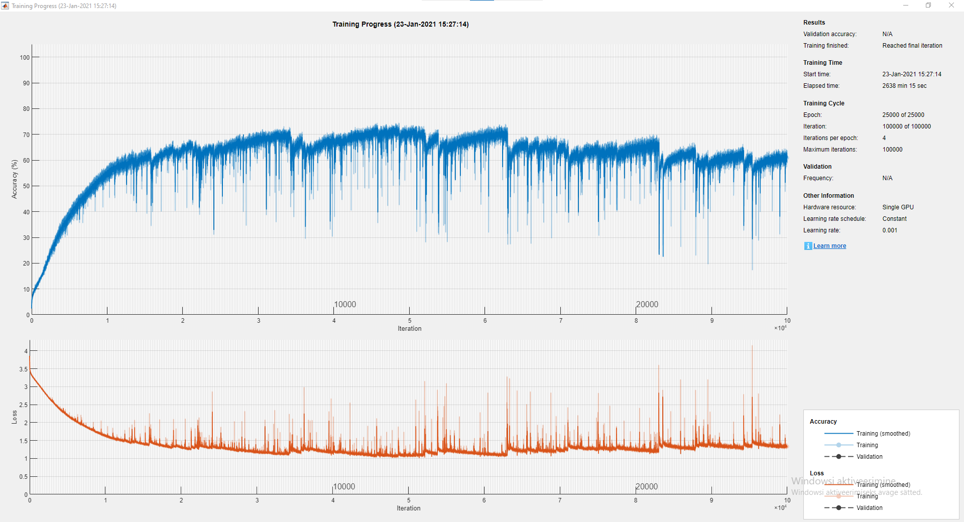
Other Parameters
Window Size: | 30
Time Period: | 30 Years
Symbols: | COKE,^GSPC
Class Size: | 40
Epoch Limit | 25000
Hidden Units: | 1500
Mini Batch Size: | 1683

Results
Precise Accuracy: | 4.41%
Directional Accuracy: | 56.55%
Earnings: | -$112.55

Super Class
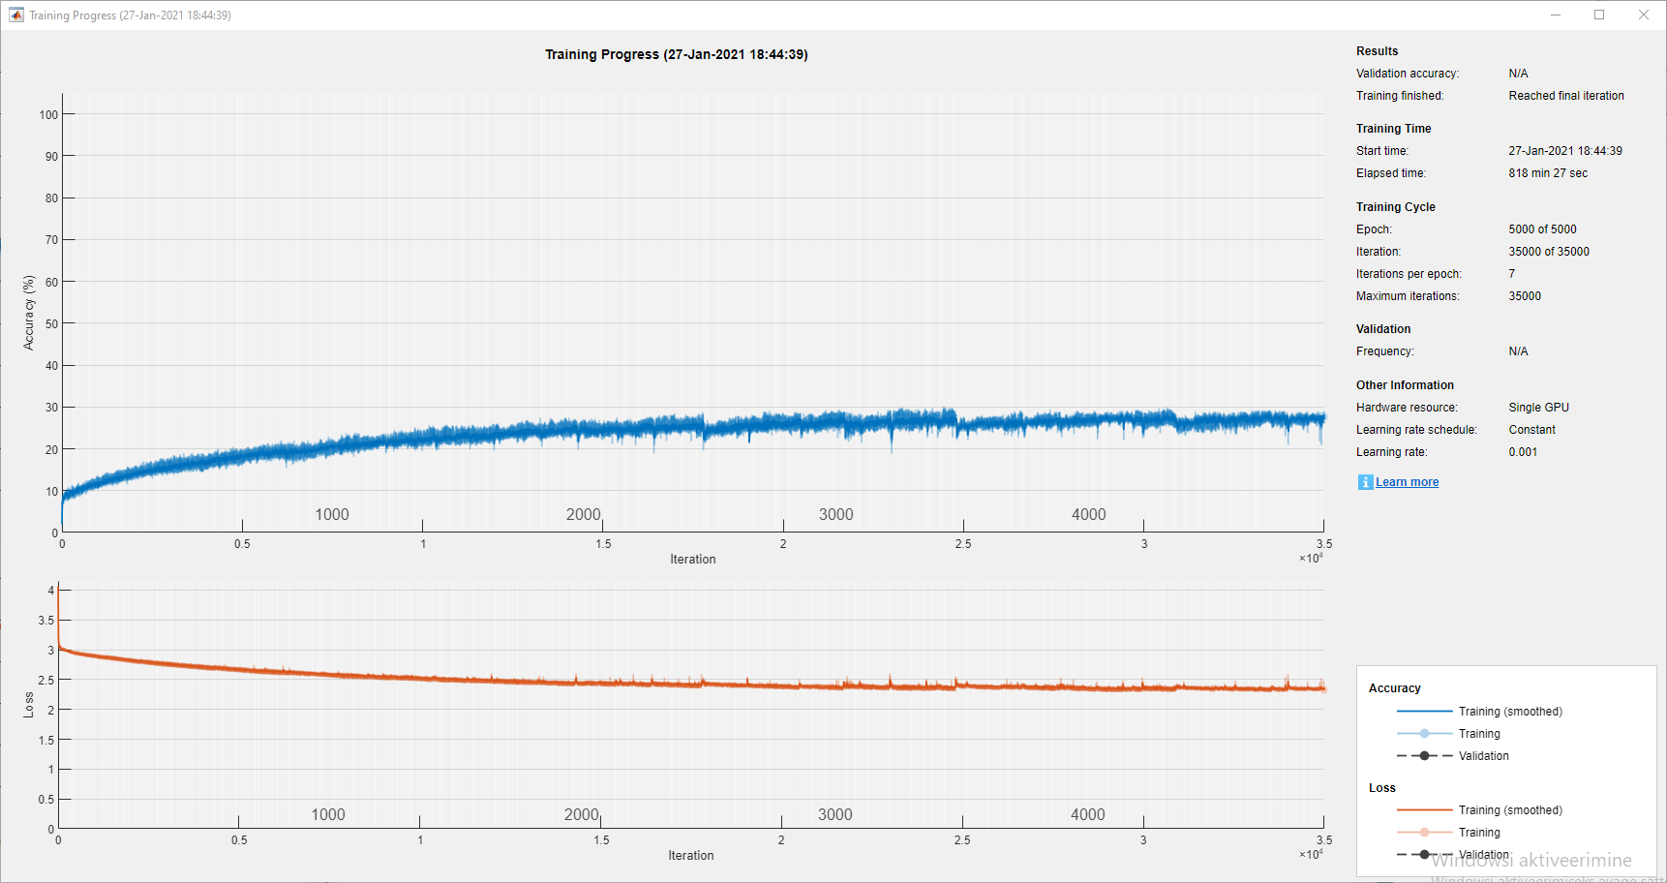
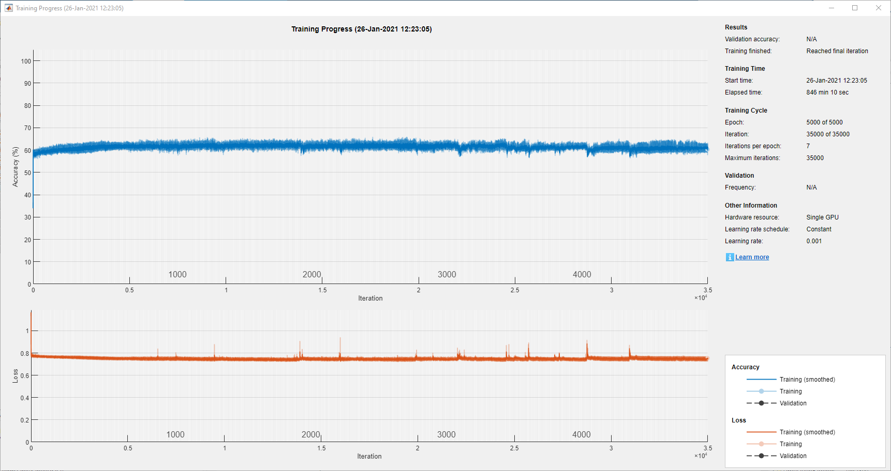
Other Parameters |  | Other Parameters
Window Size: | 30 | Window Size: | 30
Time Period: | 50 Years | Time Period: | 50 Years
Symbols: | MCD,^GSPC | Symbols: | MCD,^GSPC
Class Size: | 3 | Class Size: | 49
Epoch Limit | 5000 | Epoch Limit | 5000
Hidden Units: | 1500 | Hidden Units: | 1500
Mini Batch Size: | 1500 | Mini Batch Size: | 1500

Results |  | Results
Precise Accuracy: | 58.17% | Precise Accuracy: | 6.85%
Directional Accuracy: | 58.17% | Directional Accuracy: | 53.39%
Earnings: | $125.33 | Earnings: | -$149.13

Super Window
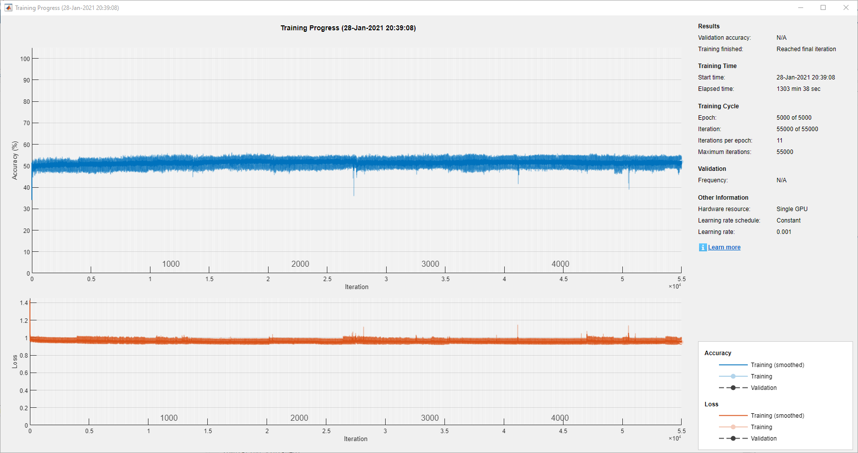
Other Parameters |  | Other Parameters
Window Size: | 5 | Window Size: | 50
Time Period: | 50 Years | Time Period: | 50 Years
Symbols: | IBM,^GSPC | Symbols: | IBM,^GSPC
Class Size: | 3 | Class Size: | 3
Epoch Limit | 5000 | Epoch Limit | 5000
Hidden Units: | 1500 | Hidden Units: | 1500
Mini Batch Size: | 1000 | Mini Batch Size: | 1000

Results |  | Results
Precise Accuracy: | 49.16% | Precise Accuracy: | 46.79%
Directional Accuracy: | 49.08% | Directional Accuracy: | 46.79%
Earnings: | $233.67 | Earnings: | $6.45

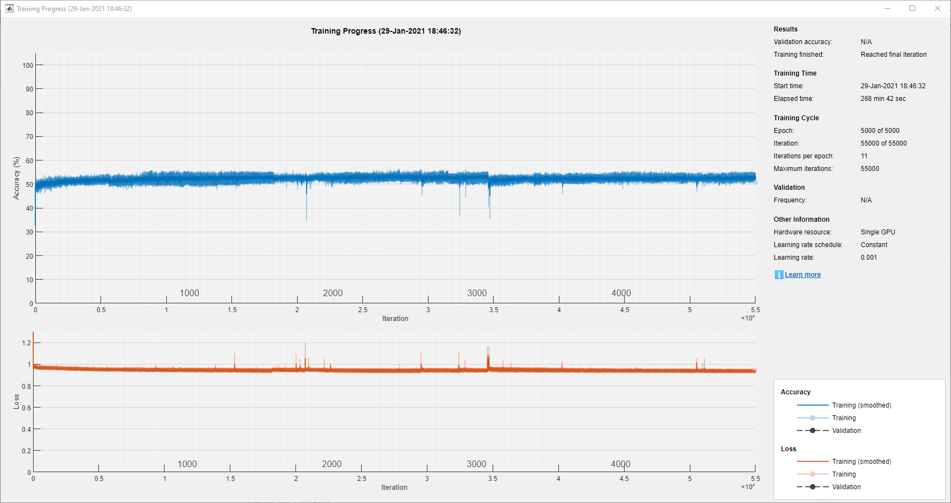

Other Parameters |  | Other Parameters
Window Size: | 3 | Window Size: | 30
Time Period: | 50 Years | Time Period: | 50 Years
Symbols: | IBM,^GSPC | Symbols: | IBM,^GSPC
Class Size: | 3 | Class Size: | 3
Epoch Limit | 5000 | Epoch Limit | 5000
Hidden Units: | 1500 | Hidden Units: | 1500
Mini Batch Size: | 1000 | Mini Batch Size: | 1000

Results |  | Results
Precise Accuracy: | 48.45% | Precise Accuracy: | 46.68%
Directional Accuracy: | 48.45% | Directional Accuracy: | 46.60%
Earnings: | $283.25 | Earnings: | $167.03

Model Performance
 | Model Earnings |  | Precise Accuracy |  | Directional Accuracy
1 | $283.25 | 3 | 48.45% | 3 | 48.45%
2 | $233.67 | 5 | 49.16% | 5 | 49.08%
3 | $277.88 | 10 | 50.84% | 10 | 50.84%
5 | $167.03 | 30 | 46.68% | 30 | 46.60%
8 | $6.45 | 50 | 46.79% | 50 | 46.79%
13
21
34
55
89
144
233
377
610
987
1597
2584
4181
6765
Other Parameters
Window Size: | 10
Time Period: | 50 Years
Symbols: | IBM,^GSPC
Class Size: | 3
Epoch Limit | 5000
Hidden Units: | 1500
Mini Batch Size: | 1000

Results
Precise Accuracy: | 50.84%
Directional Accuracy: | 50.84%
Earnings: | $277.88

Data Size & Age
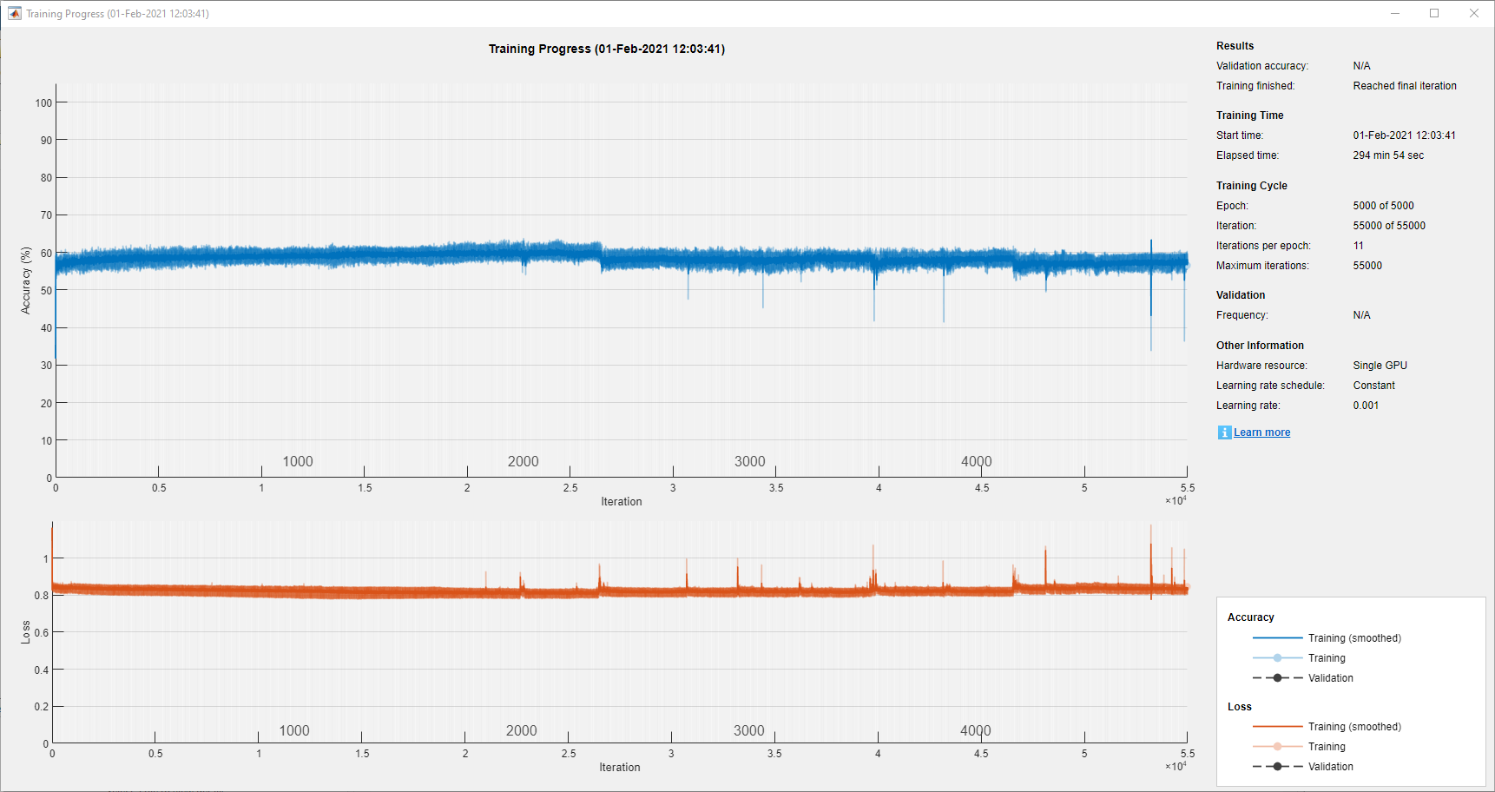
Time Period | Precise Accuracy | Directional Accuracy | Model Earnings | № Data Points | Other Parameters
5 | 32.77% | 32.77% | -$124.84 | 1188 | Window Size: | 10
10 | 38.78% | 38.78% | -$240.48 | 2445 | Epoch Limit | 5000
15 | 33.42% | 33.42% | -$233.04 | 3702 | Symbols: | PG,^GSPC
20 | 37.27% | 37.27% | -$37.54 | 4983 | Class Size: | 3
25 | 37.08% | 37.08% | -$271.51 | 6228
30 | 43.35% | 43.35% | $344.57 | 7584 | Hidden Units: | 1500
35 | 52.45% | 52.45% | -$425.92 | 8763 | Mini Batch Size: | 1000
40 | 52.94% | 52.94% | $344.57 | 10029
45 | 55.53% | 55.53% | -$475.45 | 11394
50 | 54.94% | 54.86% | -$519.49 | 12552
55 | 53.78% | 53.78% | -$496.02 | 12825

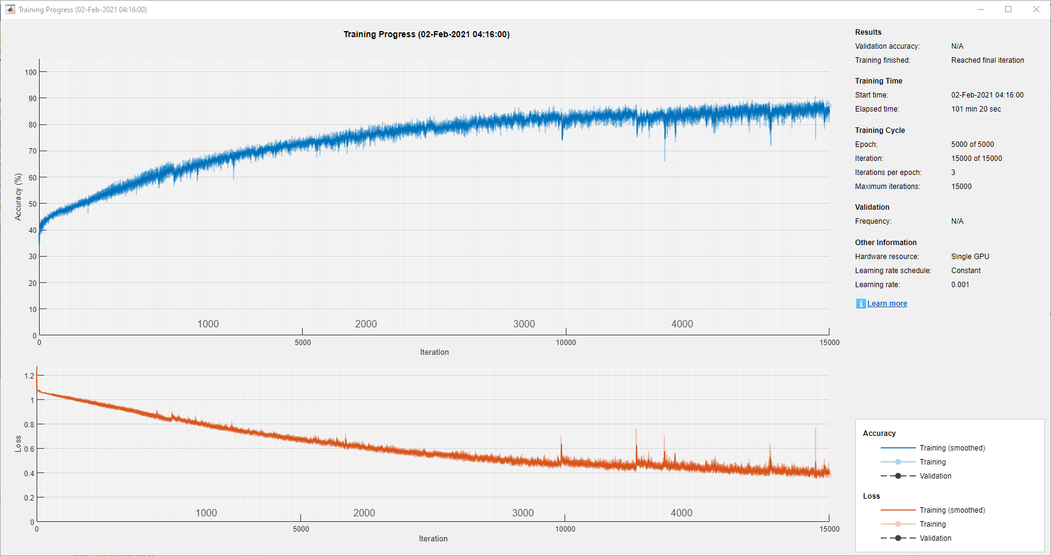
Accuracy Relation to Dataset Size/Age

Model Performance

Different Markets
 |  |  | Not Applicable
Market | Precise Accuracy | Directional Accuracy | Model Earnings | Symbols |  | Other Parameters
Stocks 1 | 55.14% | 55.14% | $404.21 | AAPL, MSFT | 35y | Window Size: | 14
Stocks 2 | 48.55% | 48.55% | $544.27 | JPM,BAC | 40y | Time Period:
Stocks 3 | 52.43% | 52.43% | -$179.80 | JNJ, PFE | 45y | Epoch: | 5000
ForEx 1 | 39.77% | 39.54% | $0.69 | EURUSD=X,EURGBP=X | 19y | Class Size: | 3
ForEx 2 | 34.34% | 34.11% | -$0.05 | EUR=X,CAD=X | 19y
ForEx 3 | 30.65% | 30.41% | -$0.02 | JPYCNY=X,JPYUSD=X, | 19y | Hidden Units: | 1500
Commodities F 1 | 38.66% | 38.66% | $62.36 | BZ=F,CL=F | 10y | Mini Batch Size: | 1500
Commodities F 2 | 36.33% | 36.33% | -$992.10 | GC=F,SI=F | 20y
Commodities F 3 | 42.04% | 41.84% | $88.65 | KC=F,CC=F | 20y
Crypto 1 | 48.24% | 47.65% | -$196,269.13 | BTC-USD, ETH-USD | 5y
Crypto 2 | 51.76% | 51.18% | $219,505.39 | BTC-USD, BTC-EUR | 5y
Crypto 3 | 53.53% | 53.53% | -$402,412.21 | BTC-USD, GC=F | 5y

Stocks Avg. | 52.04%
Forex Avg. | 34.92%
Commodities Avg. | 39.01%
Crypto Avg. | 51.18%

Suggestion1
'Data Period': 20 Years Accounts for the Majority of Tests.
Row Labels | Sum of №
20 | 6277
50 | 917
5 | 531
19 | 396
45 | 255
40 | 253
10 | 252
35 | 251
30 | 231
55 | 127
25 | 121
15 | 119
Grand Total | 9730

